Sheet1
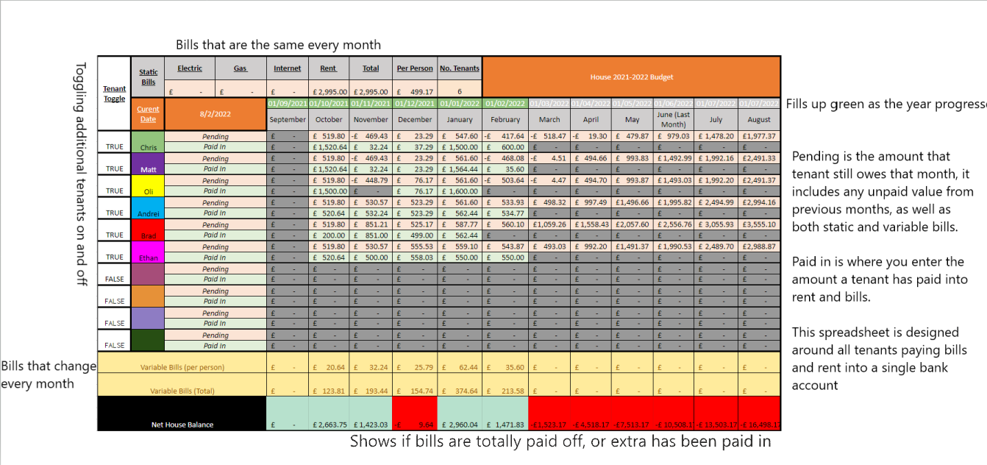
Tenant Toggle | Static Bills | IDK | TV | Internet | Rent | Total | Per Person | No. Tenants | House 2021-2022 Budget
 |  | £- | £- | £- | £- | £- | £- | 1
 | Curent Date | 2022-07-20 |  | 2021-09-01 | 2021-10-01 | 2021-11-01 | 2021-12-01 | 2022-01-01 | 2022-02-01 | 2022-03-01 | 2022-04-01 | 2022-05-01 | 2022-06-01 | 2022-07-01 | 2022-08-01
 |  |  |  | September | October | November | December | January | February | March | April | May | June (Last Month) | July | August

TRUE |  | Pending |  | £- | £- | £- | £- | £- | £- | £- | £- | £- | £- | £- | £-
 |  | Paid In |  | £- | £- | £- | £- | £- | £- | £- | £- | £- | £- | £- | £-
FALSE |  | Pending |  | £- | £- | £- | £- | £- | £- | £- | £- | £- | £- | £- | £-
 |  | Paid In |  | £- | £- | £- | £- | £- | £- | £- | £- | £- | £- | £- | £-
FALSE |  | Pending |  | £- | £- | £- | £- | £- | £- | £- | £- | £- | £- | £- | £-
 |  | Paid In |  | £- | £- | £- | £- | £- | £- | £- | £- | £- | £- | £- | £-
FALSE |  | Pending |  | £- | £- | £- | £- | £- | £- | £- | £- | £- | £- | £- | £-
 |  | Paid In |  | £- | £- | £- | £- | £- | £- | £- | £- | £- | £- | £- | £-
FALSE |  | Pending |  | £- | £- | £- | £- | £- | £- | £- | £- | £- | £- | £- | £- | 641
 |  | Paid In |  | £- | £- | £- | £- | £- | £- | £- | £- | £- | £- | £- | £-
FALSE |  | Pending |  | £- | £- | £- | £- | £- | £- | £- | £- | £- | £- | £- | £-
 |  | Paid In |  | £- | £- | £- | £- | £- | £- | £- | £- | £- | £- | £- | £-
FALSE |  | Pending |  | £- | £- | £- | £- | £- | £- | £- | £- | £- | £- | £- | £-
 |  | Paid In |  | £- | £- | £- | £- | £- | £- | £- | £- | £- | £- | £- | £-
FALSE |  | Pending |  | £- | £- | £- | £- | £- | £- | £- | £- | £- | £- | £- | £-
 |  | Paid In |  | £- | £- | £- | £- | £- | £- | £- | £- | £- | £- | £- | £-
FALSE |  | Pending |  | £- | £- | £- | £- | £- | £- | £- | £- | £- | £- | £- | £-
 |  | Paid In |  | £- | £- | £- | £- | £- | £- | £- | £- | £- | £- | £- | £-
FALSE |  | Pending |  | £- | £- | £- | £- | £- | £- | £- | £- | £- | £- | £- | £-
 |  | Paid In |  | £- | £- | £- | £- | £- | £- | £- | £- | £- | £- | £- | £-
Variable Bills (per person) |  |  |  | £- | £- | £- | £- | £- | £- | £- | £- | £- | £- | £- | £-

Variable Bills (Total) |  |  |  | £- | £- | £- | £- | £- | £- | £- | £- | £- | £- | £- | £-

Net House Balance |  |  |  | £- | £- | £- | £- | £- | £- | £- | £- | £- | £- | £- | £-

House Address

Bank Details ect

